Sheet1
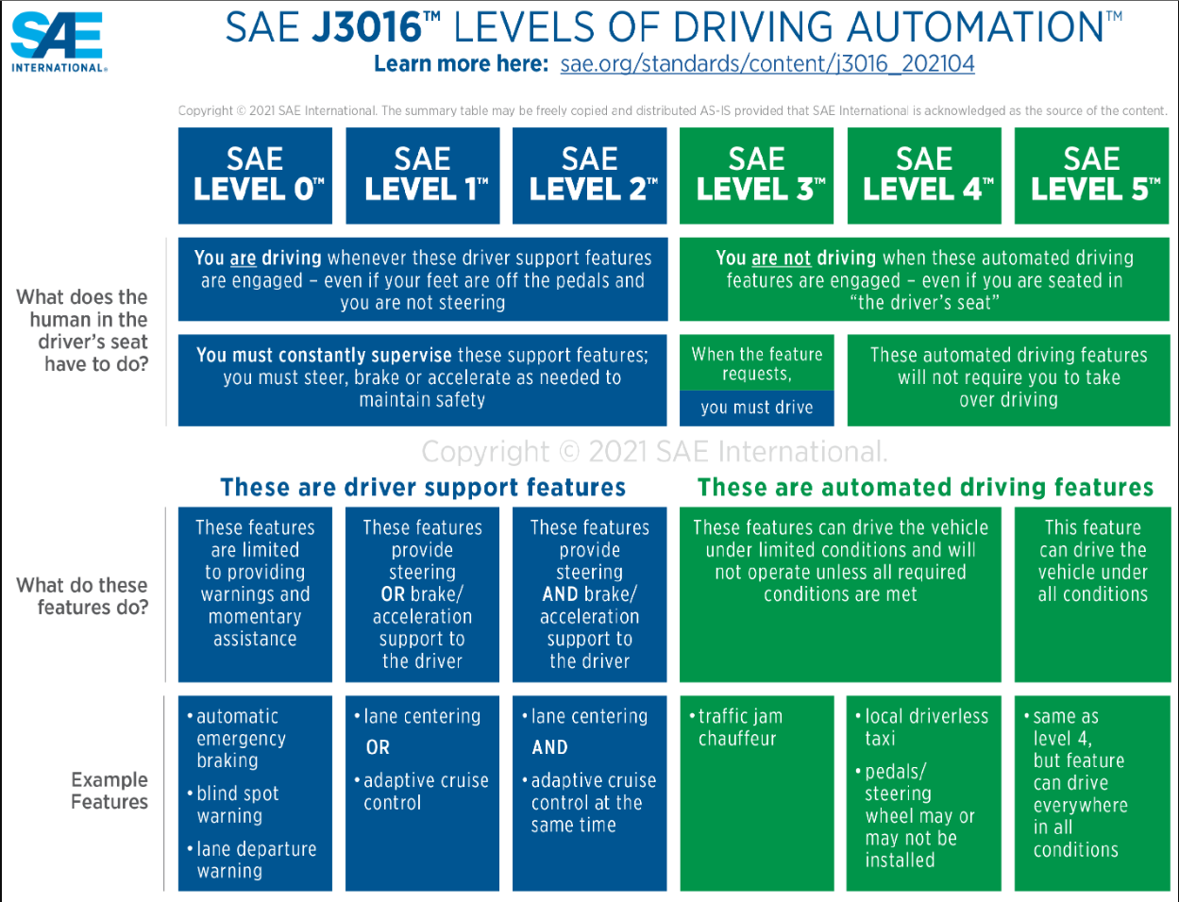
literature survey for lane keep methods
No | Name | Link | Methods that have used | Remarks
1 | Design of Lane Keeping Algorithm | https://pp.bme.hu/tr/article/view/8177 | 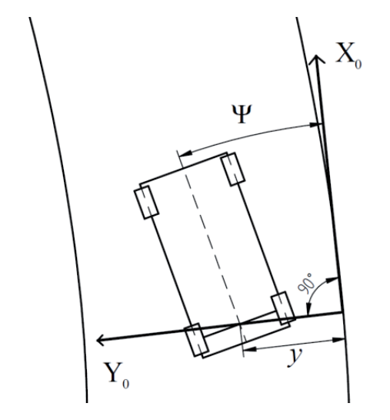 | There are some calculations and a good detailed explanation. This uses a point on the line that was detected by the camera and using that as an initial point, calculations to give linear position, angle, linear velocity, and angular velocity. | .
2 | + | https://www.mdpi.com/2076-3417/10/20/7171 | The paper deals with the design of a lateral control agent and proposes two new algorithms that utilize planning after learning in the prediction phase that incorporate the real-time applicability of the neural networks with the robustness of the Monte Carlo tree search (MCTS), which can overcome both algorithms’ limitations. Moreover, this paper presents a unique implementation of the MCTS that enables the utilization of such a tree search algorithm in a computationally exhausting control task like that. It also compares the performance of both the original and the new MCTS concept. | Uses DL Have referred to many research papers
3 | Automatic Lane Keeping of a Vehicle Based on Perception Net | https://www.spiedigitallibrary.org/conference-proceedings-of-spie/4196/0000/Automatic-lane-keeping-of-a-vehicle-based-on-perception-net/10.1117/12.403729.full?SSO=1 | The objective of this research is to monitor and control the vehicle motion in order to remove out the existing safety risk based upon the human-machine cooperative vehicle control. A predictive control method is proposed to control the steering wheel of the vehicle to keep the lane. Desired angle of the steering wheel to control the vehicle motion could be calculated based upon vehicle dynamics, current and estimated pose of the vehicle every sample steps. The vehicle pose and the road curvature were calculated by geometrically fusing sensor data from camera image, tachometer and steering wheel encoder through the Perception Net, where not only the state variables, but also the corresponding uncertainties were propagated in forward and backward direction in such a way to satisfy the given constraint condition, maintain consistency, reduce the uncertainties, and guarantee robustness. A series of experiments was conducted to evaluate the control performance, in which a car like robot was utilized to quit unwanted safety problem. As the results, the robot was keeping very well a given lane with arbitrary shape at moderate speed. | Perception Net: A Multimodal Deep Neural Network for Machine Perception
4 | On the Image Sensor Processing for Lane Detection and Control in Vehicle Lane Keeping Systems | https://www.mdpi.com/1424-8220/19/7/1665 | Lane keeping systems for a keeping a vehicle in the desired lane is key to advanced driving assistance system in autonomous vehicles. This paper presents a cost-effective image sensor with efficient processing algorithm for lane detection and lane control applications to autonomous delivery systems. The algorithm includes (1) lane detection by inverse perspective mapping and random sample consensus parabola fitting and (2) lane control by pure pursuit steering controller and classical proportional integral speed controller based on a nonholonomic kinematic model. The image sensor experiments conducted on a 1/10 scale model car maneuvering in a straight–curve–straight lane validate the better processing performance before, during, and after the turning section over previous work. The image sensor with the processing algorithm achieves the average lane detection error within 5% and maximum cross-track error within 9% in real-time. The development shall pave the way to cost-effective autonomous delivery systems. | pure pursuit steering controller is based on AI

